Sheet1
...
fit | Analysis | (092823 | 11:02) | ===
 |  |  |  |  |  |  |  |  | EC-Lab to My Expression |  | Python Fitted
...
 |  |  |  |  | EC-Lab Fitting(Unit Weighing) |  | EC-Lab Fitting(Mod Weighing) |  | Unit Weighing | Mod Weighing | unit weighing | mod weighing
= | 42.00625512 | Ohm |  |  | R1 | 42.00625512 | 41.25 | R1 | 42.00626 | 41.25000 | 42.00625 | 41.224
err. | R1 | = | 1.302699992 | Ohm | R2 | 507.1412223 | 550.6 | R2 | 507.1 | 550.6 | 507.1 | 524.54
= | 507.1412223 | Ohm |  |  | Tau | 0.9362332257 | 1.057 | Q | 0.001863 | 0.001906 | 0.001863 | 0.0018775
err. | Rd2 | = | 7.528787589 | Ohm | Alpha | 0.8640565032 | 0.8666 | alpha | 0.8641 | 0.8666 | 0.8641 | 0.86021
= | 0.9362332257 | s |  |  |  |  |  | Chi^2 or Chi^2/mod(Z^2 | 8149.194415 | 0.102764259 | 8149.2057838 | 0.099934726422
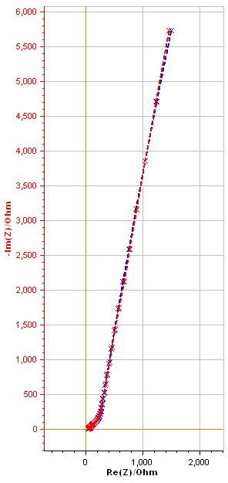
err. | t2 | = | 0.01742818374 | s |  |  |  | Chi/sqrt(N) | 10.49401014 | 21.98350687 | 10.494017462 | 23.97612634
= | 0.8640565032
err. | a2 | = | 0.0006845628113
= | 8149.194415 | Ohm^2 |  |  |  |  |  |  |  |  | Testing EC Lab with Python fitted values as initial guess
/ | sqrt(N) | = | 10.49401014 | Ohm |  |  |  | in Mod weighing
 |  |  |  |  |  |  |  | Who is giving the minima? |  |  |  | initial guess in EC Lab (coming from Python)
current | cycle |  |  |  |  |  |  | Pyhton or Eclab |  | R1 |  | 41.224
Randomize | + | Simplex |  |  |  |  |  | Lets see |  | R2 |  | 524.54
randomize | on: | 5000 | iterations |  |  |  |  |  |  | tau |  | 0.9823856
fit | on: | 5000 | iterations |  |  |  |  |  |  | alpha |  | 0.86021
1 |  |  |  |  |  |  |  |  |  | Chi^2 by mod(Z^2) |  | 0.09993472188
with: | 100 | simulations |  |  |  |  |  |  |  | Chi/sqrt(N) |  | 23.97610156
with: | 100 | iterations |  |  |  |  |  |  |  |  | Remark
...
 |  |  |  |  |  |  |  |  |  |  | Testing Python with ECLab fitted values as the initial guess
fit | Analysis | (092823 | 12:19) | ===
 |  |  |  |  |  |  |  |  |  |  |  | initial guess in Python (coming from EC Lab)
 |  |  |  |  |  |  |  |  |  | R1 |  | 41.25
 |  |  |  |  |  |  |  |  |  | R2 |  | 550.6
= | 41.25 | Ohm |  |  |  |  |  |  |  | Q |  | 0.0019055799601
err. | R1 | = | 0.2433025654 | Ohm |  |  |  |  |  | alpha |  | 0.8666
= | 550.6 | Ohm |  |  |  |  |  |  |  | Chi^2 by mod(Z^2) |  | 0.10276426015
err. | Rd2 | = | 1.377641973 | Ohm |  |  |  |  |  | Chi/sqrt(N) |  | 21.983527644
= | 1.057 | s
err. | t2 | = | 0.004524913965 | s
= | 0.8666
err. | a2 | = | 0.001739016185 |  |  |  |  |  |  |  | EC lab doesn’t minimize what it says for sure, or for a particular algorithm
= | 0.102764259
/ | sqrt(N) | = | 21.98350687 | Ohm |  |  |  |  |  |  |  | 41.2235241
 |  |  |  |  |  |  |  |  |  |  |  | 524.53792
current | cycle |  |  |  |  |  |  |  |  | === Z fit Analysis (092823 18:55) === |  | 1.1448772425
Levenberg-Marquardt |  |  |  |  |  |  |  |  |  | Equivalent circuit: |  | 0.860205088
randomize | on: | 5000 | iterations |  |  |  |  |  |  | R1+Ma2
fit | on: | 5000 | iterations |  |  |  |  |  |  | Results:
|Z|^2 |  |  |  |  |  |  |  |  |  | R1 = 41.2235241 Ohm
with: | 100 | simulations |  |  |  |  |  |  |  | std err. R1 = xxxx
with: | 100 | iterations |  |  |  |  |  |  |  | Rd2 = 524.53792 Ohm
 |  |  |  |  |  |  |  |  |  | std err. Rd2 = xxxx |  | === Z fit Analysis (092823 19:32) ===
 |  |  |  |  |  |  |  |  |  | t2 = 1.144877242 s |  | Equivalent circuit:
...

